Sheet1
Zennstyle stock list
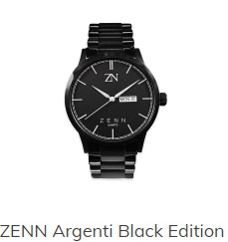
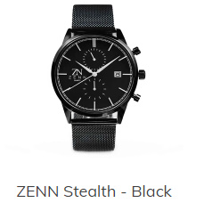
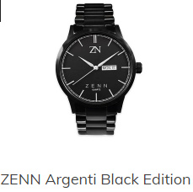
Watch Description | Quantity | SRP on Wesbite | Total Stock SRP

Stealth Silver | 50 | £99.99 | £4,999.50
Stealth Black | 50 | £99.99 | £4,999.50
Argenti Silver - White Dial | 50 | £79.99 | £3,999.50
Argenti Silver - Black Dial | 50 | £79.99 | £3,999.50
Argenti Black - Black Dial | 50 | £79.99 | £3,999.50
Classique Silver - Black Strap | 60 | £49.99 | £2,999.40
Classique Gold - Brown Strap | 60 | £49.99 | £2,999.40
Classique Gold - Black Strap | 60 | £49.99 | £2,999.40
Classique Silver - Brown Strap | 60 | £49.99 | £2,999.40
Classique Rose Gold - Brown Strap | 70 | £49.99 | £3,499.30
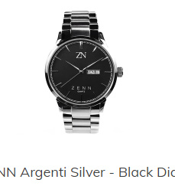
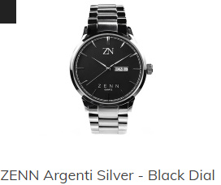
Classique Leather straps | 200 | £19.99 | £3,998.00
TOTAL WATCH STOCK | 760 |  | £41,492.40

